コード
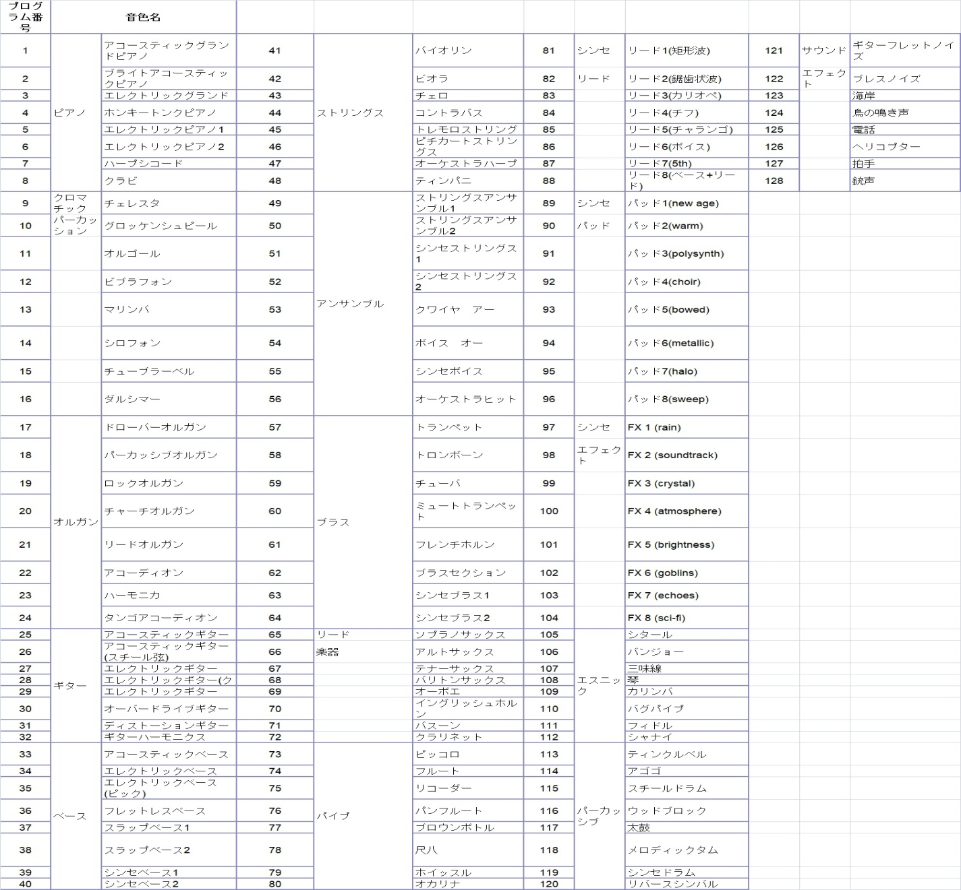
分散和音を作る |  | 20181125
入力欄 (下の4欄とも入力しなくも可、削除しても可)
小節 | B30~形式 | コード | 音色 | 休 |  |  |  | 5 | Am
B30~37の番号をいれれる。形式は
最右欄、K30~
参照
1 |  | Bdim | 1 |  |  |  |  | 8 | Dm
2 |  | Em | 1 | r |  |  |  | 8 | Dm
3 |  | Em | 1 |  |  |  |  | 8 | Em
4 |  | F | 1 | r |  |  |  | 8 | Am
コードは、C39~45までのものを入れて下さい。
5 |  | Bdim | 1 |  |  |  |  | 2 | Dm
6 |  | Em | 1 | r |  |  |  | 2 | Am
7 |  | Em | 1 |  |  |  |  | 8 | Em
8 |  | F | 1 | r |  |  |  | 8 | Dm
9 |  | Em | 1 |  |  |  |  | 8 | Em
休みがいる時は、rを入れる。
10 |  | F | 1 | r |  |  |  | 8 | Am
11 |  | Em | 1 |  |  |  |  | 8 | Em
12 |  | F | 1 | r |  |  |  | 4 | Em
13 |  | Em | 1 |  |  |  |  | 4 | Em
音色 1～128の数字を入れる。何も入れなくても、但し、楽器が色々変わる。途中から楽器を替えたい時は、任意の欄に入れる。数字1はピアノです。
14 |  | Em | 1 | r |  |  |  | 8 | Dm
15 |  | F | 1 |  |  |  |  | 8 | Dm
16 | 5 | F | 1 | r |  |  |  | 8 | Am
17 |  | Bdim | 1 | r |  |  |  | 8 | Dm
18 |  | Em | 1 | r |  |  |  | 5 | Em
19 |  | F | 1 |  |  |  |  | 5 | Am
20 | 5 | Bdim | 1 | r

←1小節の音符の構成
!4、!8は、4分、8分音符。8,9,10と欄を増やし形式を作る。r4、r8は、最後の数字を入れること。赤矢印
 | 音符数、形式 |  |  |  |  |  |  |  | 休、有
1 | 5 | l.onNote(!4, | !8, | !4, | !8, | !4) |  | l.onNote(!4,!8,!4,!8,!4) | r4
2 | 6 | l.onNote(!8, | !8, | !4, | !8, | !4, | !8) | l.onNote(!8,!8,!4,!8,!4,!8) | r8
3 | 6 | l.onNote(!8, | !4, | !8, | !4, | !8, | !8) | l.onNote(!8,!4,!8,!4,!8,!8) | r8
4 | 5 | l.onNote(!4, | !8, | !4, | !4, | !8) |  | l.onNote(!4,!8,!4,!4,!8) | r8
5 | 4 | l.onNote(!4, | !4, | !4, | !4) |  |  | l.onNote(!4,!4,!4,!4) | r4
6 | 4 | l.onNote(!4^8, | !4^8, | !8, | !8) |  |  | l.onNote(!4^8,!4^8,!8,!8) | r8
7 | 5 | l.onNote(!4, | !4, | !8, | !4, | !8) |  | l.onNote(!4,!4,!8,!4,!8) | r8
8 | 5 | l.onNote(!4, | !4, | !8, | !8, | !4) |  | l.onNote(!4,!4,!8,!8,!4) | r4

←8,9,10、・・と、欄を増やし
コードの構成音を入れる
 | コード欄
1 | C | CodeC = ({o5c},{o5e},{o5g},{o6c},{o6e})
2 | Dm | CodeDm= ({o4a},{o5d},{o5f},{o5a},{o6d})
3 | Em | CodeEm= ({o4b},{o5e},{o5g},{o5b},{o6e})
4 | F | CodeF= ({o5c},{o5f},{o5a},{o6c},{o6f})
5 | G | CodeG = ({o4b},{o5d},{o5g},{o5b},{o6d})
6 | Am | CodeAm = ({o4a},{o5c},{o5e},{o5a},{o6c})
7 | Bdim | CodeBdim = ({o4b},{o5d},{o5f},{o5b},{o6f})

 |  |  |  |  |  |  |  |  |  |  |  |  |  |  |  |  |  |  |  |  | r4

 | 音符、形式 |  |  | コード欄 |  |  |  |  |  |  |  | 音色
小節 | 音符の数、乱数 | 手入力 | 形式決定 | コード乱数 | コード | 手入力 | EかFコード決定 |  |  | 音符数 | 休 | 音符数決定 | 音色 | 音色乱数 | 手入力 | 決定 |  |  |  |  | 休み入り、分散和音ができました
1 | 5 |  | 5 | 3 | Em | Bdim | Bdim | l.onNote(!4,!4,!4,!4) | [ | 4 | 0 | 4 | @( | 123 | 1 | 1 | )Note=Code | Bdim | (Random(1,5))Note] | l.onNote(!4,!4,!4,!4) [4@(1)Note=CodeBdim(Random(1,5))Note] | l.onNote(!4,!4,!4,!4) [4@(1)Note=CodeBdim(Random(1,5))Note] | Bdim2 | l.onNote(!4,!4,!4,!4) [4@(1)Note=CodeBdim2(Random(1,5))Note]
2 | 3 |  | 3 | 2 | Dm | Em | Em | l.onNote(!8,!4,!8,!4,!8,!8) | [ | 6 | r | 5 | @( | 61 | 1 | 1 | )Note=Code | Em | (Random(1,5))Note] | l.onNote(!8,!4,!8,!4,!8,!8)[5@(1)Note=CodeEm(Random(1,5))Note] | l.onNote(!8,!4,!8,!4,!8,!8)[5@(1)Note=CodeEm(Random(1,5))Note] r8 | Em2 | l.onNote(!8,!4,!8,!4,!8,!8)[6@(1)Note=CodeEm2(Random(1,5))Note]
3 | 7 |  | 7 | 4 | F | Em | Em | l.onNote(!4,!4,!8,!4,!8) | [ | 5 | 0 | 5 | @( | 80 | 1 | 1 | )Note=Code | Em | (Random(1,5))Note] | l.onNote(!4,!4,!8,!4,!8)[5@(1)Note=CodeEm(Random(1,5))Note] | l.onNote(!4,!4,!8,!4,!8)[5@(1)Note=CodeEm(Random(1,5))Note] | Em2 | l.onNote(!4,!4,!8,!4,!8)[5@(1)Note=CodeEm2(Random(1,5))Note]
4 | 5 |  | 5 | 2 | Dm | F | F | l.onNote(!4,!4,!4,!4) | [ | 4 | r | 3 | @( | 15 | 1 | 1 | )Note=Code | F | (Random(1,5))Note] | l.onNote(!4,!4,!4,!4) [3@(1)Note=CodeF(Random(1,5))Note] | l.onNote(!4,!4,!4,!4) [3@(1)Note=CodeF(Random(1,5))Note] r4 | F2 | l.onNote(!4,!4,!4,!4) [4@(1)Note=CodeF2(Random(1,5))Note]
5 | 4 |  | 4 | 6 | Am | Bdim | Bdim | l.onNote(!4,!8,!4,!4,!8) | [ | 5 | 0 | 5 | @( | 36 | 1 | 1 | )Note=Code | Bdim | (Random(1,5))Note] | l.onNote(!4,!8,!4,!4,!8)[5@(1)Note=CodeBdim(Random(1,5))Note] | l.onNote(!4,!8,!4,!4,!8)[5@(1)Note=CodeBdim(Random(1,5))Note] | Bdim2 | l.onNote(!4,!8,!4,!4,!8)[5@(1)Note=CodeBdim2(Random(1,5))Note]
6 | 4 |  | 4 | 5 | G | Em | Em | l.onNote(!4,!8,!4,!4,!8) | [ | 5 | r | 4 | @( | 63 | 1 | 1 | )Note=Code | Em | (Random(1,5))Note] | l.onNote(!4,!8,!4,!4,!8)[4@(1)Note=CodeEm(Random(1,5))Note] | l.onNote(!4,!8,!4,!4,!8)[4@(1)Note=CodeEm(Random(1,5))Note] r8 | Em2 | l.onNote(!4,!8,!4,!4,!8)[5@(1)Note=CodeEm2(Random(1,5))Note]
7 | 4 |  | 4 | 1 | C | Em | Em | l.onNote(!4,!8,!4,!4,!8) | [ | 5 | 0 | 5 | @( | 92 | 1 | 1 | )Note=Code | Em | (Random(1,5))Note] | l.onNote(!4,!8,!4,!4,!8)[5@(1)Note=CodeEm(Random(1,5))Note] | l.onNote(!4,!8,!4,!4,!8)[5@(1)Note=CodeEm(Random(1,5))Note] | Em2 | l.onNote(!4,!8,!4,!4,!8)[5@(1)Note=CodeEm2(Random(1,5))Note]
8 | 3 |  | 3 | 7 | Bdim | F | F | l.onNote(!8,!4,!8,!4,!8,!8) | [ | 6 | r | 5 | @( | 1 | 1 | 1 | )Note=Code | F | (Random(1,5))Note] | l.onNote(!8,!4,!8,!4,!8,!8)[5@(1)Note=CodeF(Random(1,5))Note] | l.onNote(!8,!4,!8,!4,!8,!8)[5@(1)Note=CodeF(Random(1,5))Note] r8 | F2 | l.onNote(!8,!4,!8,!4,!8,!8)[6@(1)Note=CodeF2(Random(1,5))Note]
9 | 4 |  | 4 | 3 | Em | Em | Em | l.onNote(!4,!8,!4,!4,!8) | [ | 5 | 0 | 5 | @( | 17 | 1 | 1 | )Note=Code | Em | (Random(1,5))Note] | l.onNote(!4,!8,!4,!4,!8)[5@(1)Note=CodeEm(Random(1,5))Note] | l.onNote(!4,!8,!4,!4,!8)[5@(1)Note=CodeEm(Random(1,5))Note] | Em2 | l.onNote(!4,!8,!4,!4,!8)[5@(1)Note=CodeEm2(Random(1,5))Note]
10 | 7 |  | 7 | 4 | F | F | F | l.onNote(!4,!4,!8,!4,!8) | [ | 5 | r | 4 | @( | 51 | 1 | 1 | )Note=Code | F | (Random(1,5))Note] | l.onNote(!4,!4,!8,!4,!8)[4@(1)Note=CodeF(Random(1,5))Note] | l.onNote(!4,!4,!8,!4,!8)[4@(1)Note=CodeF(Random(1,5))Note] r8 | F2 | l.onNote(!4,!4,!8,!4,!8)[5@(1)Note=CodeF2(Random(1,5))Note]
11 | 6 |  | 6 | 2 | Dm | Em | Em | l.onNote(!4^8,!4^8,!8,!8) | [ | 4 | 0 | 4 | @( | 38 | 1 | 1 | )Note=Code | Em | (Random(1,5))Note] | l.onNote(!4^8,!4^8,!8,!8) [4@(1)Note=CodeEm(Random(1,5))Note] | l.onNote(!4^8,!4^8,!8,!8) [4@(1)Note=CodeEm(Random(1,5))Note] | Em2 | l.onNote(!4^8,!4^8,!8,!8) [4@(1)Note=CodeEm2(Random(1,5))Note]
12 | 4 |  | 4 | 4 | F | F | F | l.onNote(!4,!8,!4,!4,!8) | [ | 5 | r | 4 | @( | 14 | 1 | 1 | )Note=Code | F | (Random(1,5))Note] | l.onNote(!4,!8,!4,!4,!8)[4@(1)Note=CodeF(Random(1,5))Note] | l.onNote(!4,!8,!4,!4,!8)[4@(1)Note=CodeF(Random(1,5))Note] r8 | F2 | l.onNote(!4,!8,!4,!4,!8)[5@(1)Note=CodeF2(Random(1,5))Note]
13 | 2 |  | 2 | 2 | Dm | Em | Em | l.onNote(!8,!8,!4,!8,!4,!8) | [ | 6 | 0 | 6 | @( | 43 | 1 | 1 | )Note=Code | Em | (Random(1,5))Note] | l.onNote(!8,!8,!4,!8,!4,!8)[6@(1)Note=CodeEm(Random(1,5))Note] | l.onNote(!8,!8,!4,!8,!4,!8)[6@(1)Note=CodeEm(Random(1,5))Note] | Em2 | l.onNote(!8,!8,!4,!8,!4,!8)[6@(1)Note=CodeEm2(Random(1,5))Note]
14 | 2 |  | 2 | 7 | Bdim | Em | Em | l.onNote(!8,!8,!4,!8,!4,!8) | [ | 6 | r | 5 | @( | 16 | 1 | 1 | )Note=Code | Em | (Random(1,5))Note] | l.onNote(!8,!8,!4,!8,!4,!8)[5@(1)Note=CodeEm(Random(1,5))Note] | l.onNote(!8,!8,!4,!8,!4,!8)[5@(1)Note=CodeEm(Random(1,5))Note] r8 | Em2 | l.onNote(!8,!8,!4,!8,!4,!8)[6@(1)Note=CodeEm2(Random(1,5))Note]
15 | 1 |  | 1 | 2 | Dm | F | F | l.onNote(!4,!8,!4,!8,!4) | [ | 5 | 0 | 5 | @( | 85 | 1 | 1 | )Note=Code | F | (Random(1,5))Note] | l.onNote(!4,!8,!4,!8,!4)[5@(1)Note=CodeF(Random(1,5))Note] | l.onNote(!4,!8,!4,!8,!4)[5@(1)Note=CodeF(Random(1,5))Note] | F2 | l.onNote(!4,!8,!4,!8,!4)[5@(1)Note=CodeF2(Random(1,5))Note]
16 | 5 | 5 | 5 | 4 | F | F | F | l.onNote(!4,!4,!4,!4) | [ | 4 | r | 3 | @( | 48 | 1 | 1 | )Note=Code | F | (Random(1,5))Note] | l.onNote(!4,!4,!4,!4) [3@(1)Note=CodeF(Random(1,5))Note] | l.onNote(!4,!4,!4,!4) [3@(1)Note=CodeF(Random(1,5))Note] r4 | F2 | l.onNote(!4,!4,!4,!4) [4@(1)Note=CodeF2(Random(1,5))Note]
17 | 1 |  | 1 | 2 | Dm | Bdim | Bdim | l.onNote(!4,!8,!4,!8,!4) | [ | 5 | r | 4 | @( | 37 | 1 | 1 | )Note=Code | Bdim | (Random(1,5))Note] | l.onNote(!4,!8,!4,!8,!4)[4@(1)Note=CodeBdim(Random(1,5))Note] | l.onNote(!4,!8,!4,!8,!4)[4@(1)Note=CodeBdim(Random(1,5))Note] r4 | Bdim2 | l.onNote(!4,!8,!4,!8,!4)[5@(1)Note=CodeBdim2(Random(1,5))Note]
18 | 3 |  | 3 | 4 | F | Em | Em | l.onNote(!8,!4,!8,!4,!8,!8) | [ | 6 | r | 5 | @( | 27 | 1 | 1 | )Note=Code | Em | (Random(1,5))Note] | l.onNote(!8,!4,!8,!4,!8,!8)[5@(1)Note=CodeEm(Random(1,5))Note] | l.onNote(!8,!4,!8,!4,!8,!8)[5@(1)Note=CodeEm(Random(1,5))Note] r8 | Em2 | l.onNote(!8,!4,!8,!4,!8,!8)[6@(1)Note=CodeEm2(Random(1,5))Note]
19 | 7 |  | 7 | 3 | Em | F | F | l.onNote(!4,!4,!8,!4,!8) | [ | 5 | 0 | 5 | @( | 29 | 1 | 1 | )Note=Code | F | (Random(1,5))Note] | l.onNote(!4,!4,!8,!4,!8)[5@(1)Note=CodeF(Random(1,5))Note] | l.onNote(!4,!4,!8,!4,!8)[5@(1)Note=CodeF(Random(1,5))Note] | F2 | l.onNote(!4,!4,!8,!4,!8)[5@(1)Note=CodeF2(Random(1,5))Note]
20 | 6 | 5 | 5 | 2 | Dm | Bdim | Bdim | l.onNote(!4,!4,!4,!4) | [ | 4 | r | 3 | @( | 44 | 1 | 1 | )Note=Code | Bdim | (Random(1,5))Note] | l.onNote(!4,!4,!4,!4) [3@(1)Note=CodeBdim(Random(1,5))Note] | l.onNote(!4,!4,!4,!4) [3@(1)Note=CodeBdim(Random(1,5))Note] r4 | Bdim2 | l.onNote(!4,!4,!4,!4) [4@(1)Note=CodeBdim2(Random(1,5))Note]

